Mind Map
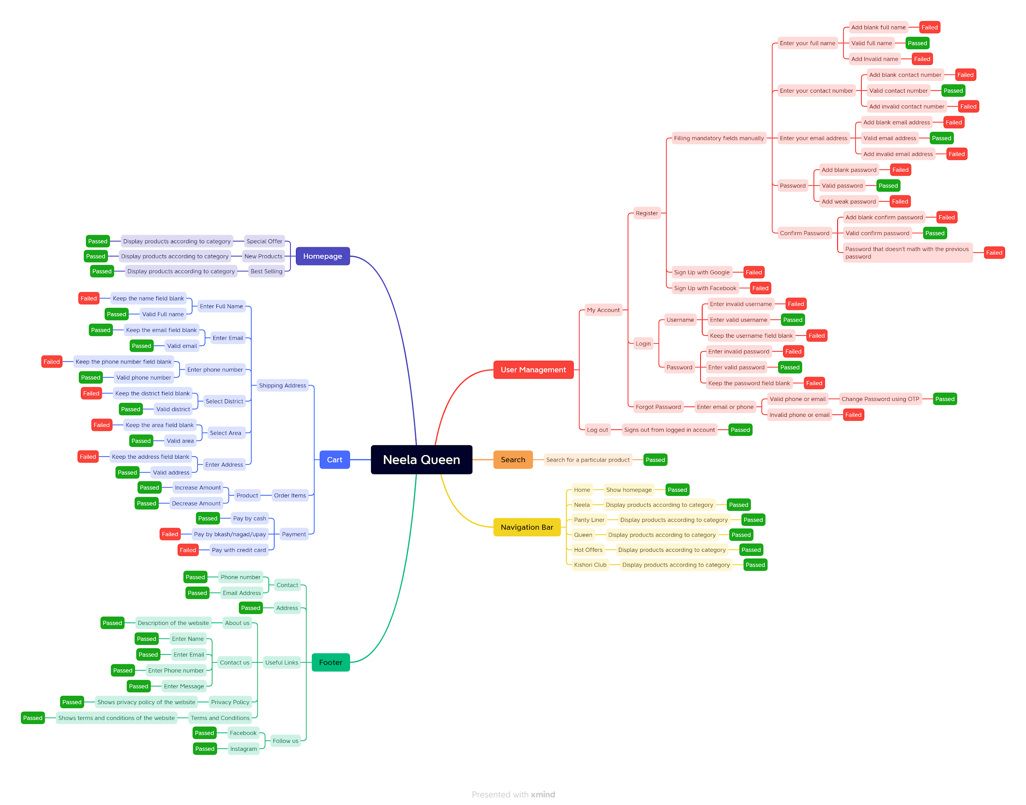

Test Report
Test Report
Project Name | Neela Queen
Module Name | Sign Up, Login, Add to Cart, Place Order
Test Case Version
Written By | Nusrat Jahan Mou
Executed By | Nusrat Jahan Mou
Reviewed By

Test Execution Report
Test Cases | Pass | Fail | Not Executed | Out Of Scope | Total TC | Total No | Status
 | 39 | 9 | 0 | 0 | 48 | 39 | Pass | Result :
Grand Total | 39 | 9 | 0 | 0 | 48 | 9 | Fail
 |  |  |  |  |  | 0 | Not Executed
Limitations |  |  |  |  |  | 0 | Out of Scope | New Features | Testing Scope | Testing Environment : | Google Chrome Browser
Documents |  | Received | Useful
Test Report
PRD |  | No | No
USER STORY |  | No | No

 | Testing Type in Scope | Description
 | Functional Testing | This type of testing ignores the internal parts and focuses only on the output to check if it is as per the requirement or not
 | Integration Testing | Testing of all integrated modules to verify the combined functionality after integration is termed as Integration Testing.
 | Negative Testing | Testing having the mindset of “attitude to break” using incorrect data and invalid inputs.
 | Usability Testing | Test application from user friendliness perspective.
 | Browser Compatibility Testing | Browser Compatibility Testing is performed for web applications and it ensures that the software can run with the combination of different browser and operating system. This type of testing also validates whether web application runs on all versions of all browsers or not.
 | Risked based Testing or Regression Testing | There is an upper and lower boundary for each range and testing is performed on these boundary values

